Sheet1
 |  | Document No. | Issue No. | Issue Date |  | Review and Replace Date |  | Authorised By
 |  | GFF028MC | 1 | 01.09.2018 |  | New Issue
 |  | Document Title | Chilli Con Carne & Steamed Rice 275g
 |  | Cross Ref: BRC 7 | Page 1 of 1 |  | Clause |  | 6.1 | Tanoj Shah
Document amendments reason for change |  | New product launch |  |  | Previous Issue Date |  | New Issue | Uncontrolled copy unless signed original

FBCONR-B10P | FSC |  | CHILLI CON CARNE 275g
STEP 1 |  |  |  |  | STEP 2
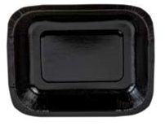 |  |  |  |  | 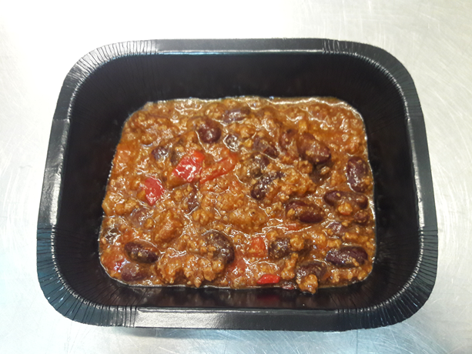

Tray: Small Hot Pot Tray (PKHAV001-01) - from HAVI |  |  |  |  | Chilli Con Carne (GFF186R): 155g
Film: Mylar 250LAF 130mm x 500 (PKWRA001-05) - Wrapid
STEP 3 |  |  |  |  | STEP 4
 |  |  |  |  | 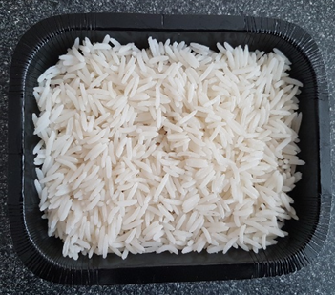

Steamed Rice (GFF185R): 120g |  |  |  |  | TOTAL WEIGHT: 275g T1: 266g T2: 257g
ALLERGY ALERT: NONE

